Exercises
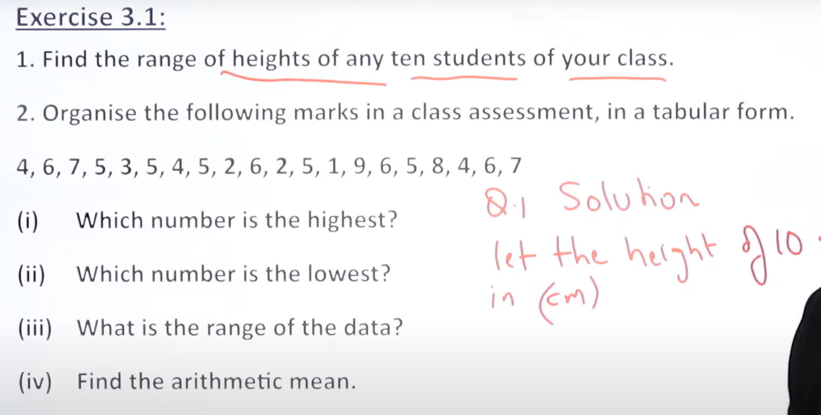
xi | fi
4 | 3
6 | 4
7 | 2
5 | 6
3 | 1
2 | 2
1 | 1
9 | 1
8 | 1

